Bug Report
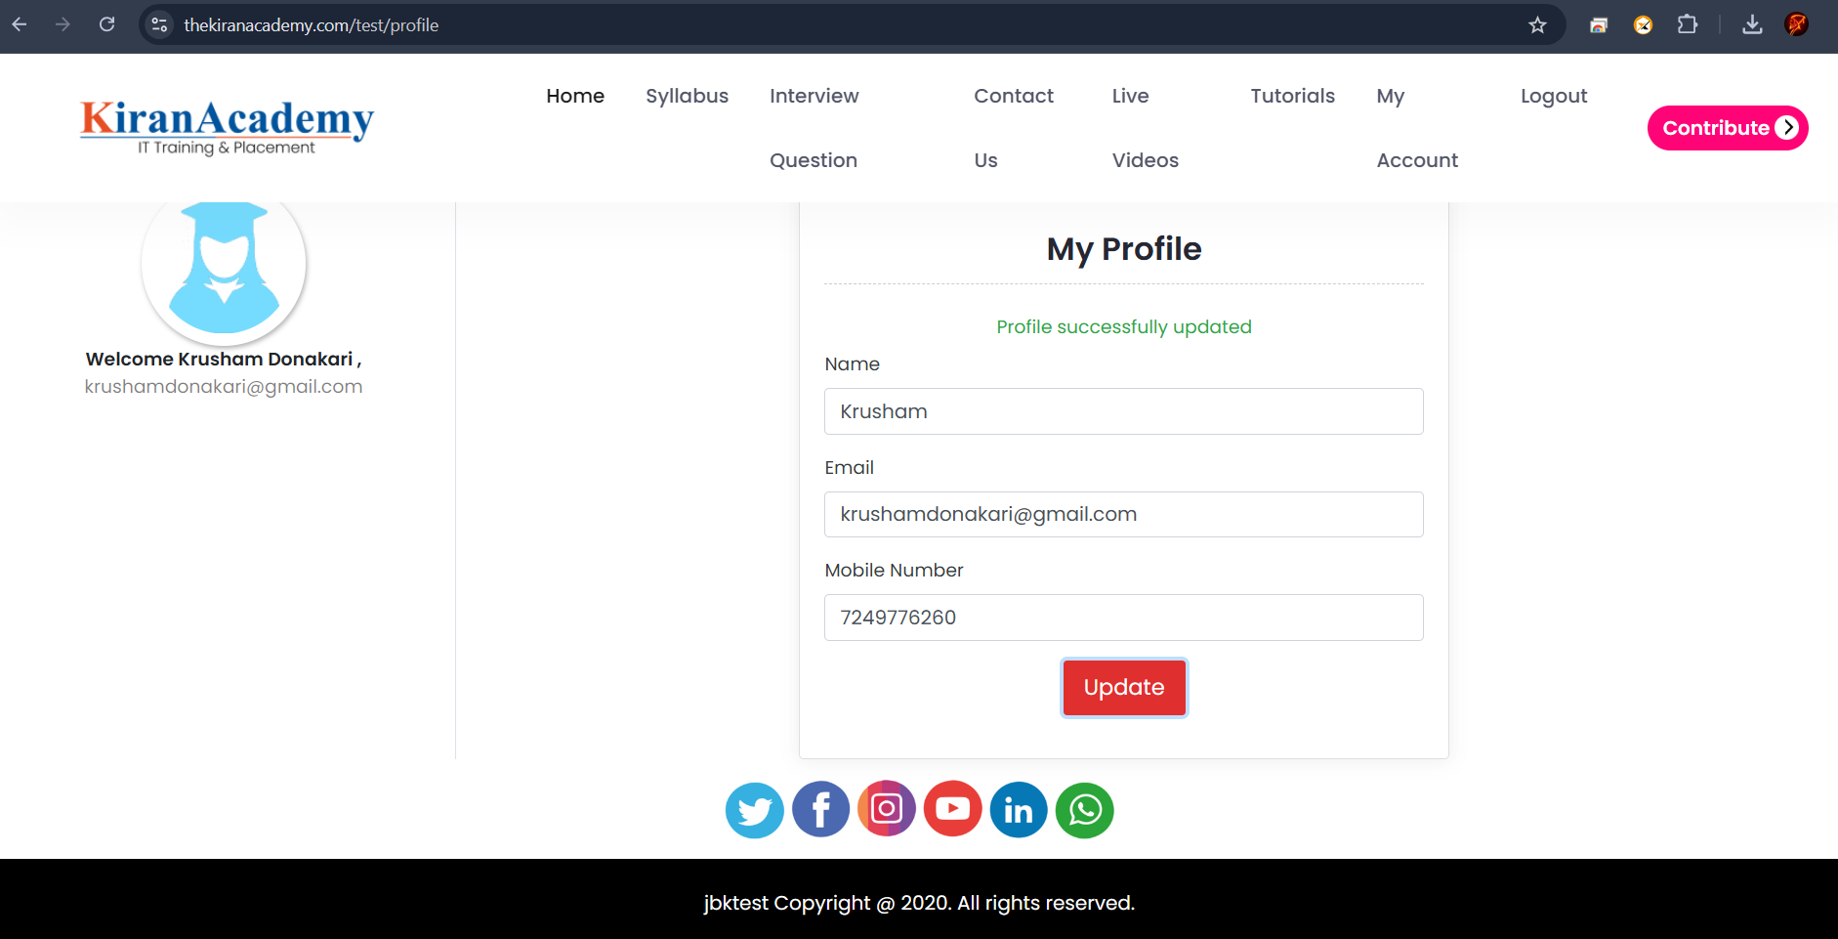
Bug Reporting

1 | Bug ID : | Bug_001
2 | Bug Name : | When User Update the Profile, It does not get Reflected on Dashboard.
3 | Bug Description: | When User updates the Profile information like change in Name or Email , after Updating it does not gets updated on the Dashboard page, it keeps Showing older information.
4 | Steps to Reproduce Bug: | 1 - Open https://thekiranacademy.com/test/ website in a browser
 |  | 2 - Click on Test Tab
 |  | 3 - Click on "Manual Testing" tab
 |  | 4 - Select a Quiz Option
 |  | 5 - Select Question (10/20/30)
 |  | 6 - Login by entering mobile number & OTP
 |  | 7 - Click on "My Account" Tab
 |  | 8 - Click on "View Profile" Tab
 |  | 9 - Enter information to Update - Enter Name or Email
 |  | 10 - Click on "Update" button
5 | Test Case ID : | TC_057(D)
6 | Severity : | Medium
7 | Priority of Bug : | Medium
8 | Status of Bug : | New
9 | Reproducibility : | Always
10 | Screenshot :

